Public Works Fund
ADDENDUM #3
Group/Division | Identification | Annual Salary | Basic Life | AD&D | GROUP LIFE DEP | VOL LIFE EE | VOL ADD EE | VOL LIFE SP | VOL ADD SP | VOL LIFE CH | Sex | DOB | Age | Relationship | Plan | Coverage | Postal Code
Louisiana/St. John Parish Council/St. John Parish Council- 003: Public Works | Active | $37,544.00 | $25,000.00 | $25,000.00 |  | $100,000.00 | $100,000.00 | $50,000.00 | $50,000.00 |  | Male | 3/5/1975 | 50 | Insured | GROUP LIFE MASTER PLAN | Employee Only | 70068
 |  |  |  |  |  |  |  |  |  |  | Male | 3/5/1975 | 50 | Insured | VOL LIFE MASTER PLAN | Employee Only | 70068
 |  |  |  |  |  |  |  |  |  |  | Male | 3/5/1975 | 50 | Insured | VOL LIFE SPS MASTER PLAN | Employee & Spouse | 70068
 |  |  |  |  |  |  |  |  |  |  | Male | 3/5/1975 | 50 | Insured | ADD MASTER PLAN | Employee Only | 70068
 |  |  |  |  |  |  |  |  |  |  | Male | 3/5/1975 | 50 | Insured | SVA MASTER PLAN | Employee & Spouse | 70068
 |  |  |  |  |  |  |  |  |  |  | Male | 3/5/1975 | 50 | Insured | VLA MASTER PLAN | Employee Only | 70068
 | Retiree |  | $25,000.00 |  |  |  |  |  |  |  | Female | 3/29/1962 | 63 | Insured | GROUP LIFE MASTER PLAN | Employee Only | 70068
 | Retiree |  | $25,000.00 |  |  | $25,000.00 |  | $10,000.00 |  |  | Male | 9/4/1955 | 70 | Insured | GROUP LIFE MASTER PLAN | Employee Only | 70068
 |  |  |  |  |  |  |  |  |  |  | Male | 9/4/1955 | 70 | Insured | VOL LIFE MASTER PLAN | Employee Only | 70068
 |  |  |  |  |  |  |  |  |  |  | Male | 9/4/1955 | 70 | Insured | VOL LIFE SPS MASTER PLAN | Employee & Spouse | 70068
 | Retiree |  | $12,500.00 |  |  |  |  |  |  |  | Female | 9/10/1947 | 78 | Insured | GROUP LIFE MASTER PLAN | Employee Only | 70084
 | Retiree |  | $12,500.00 |  |  |  |  |  |  |  | Male | 10/11/1952 | 73 | Insured | GROUP LIFE MASTER PLAN | Employee Only | 70068
 | Retiree |  | $25,000.00 |  |  |  |  |  |  |  | Male | 11/12/1977 | 48 | Insured | GROUP LIFE MASTER PLAN | Employee Only | 70068
 | Retiree |  | $12,500.00 |  |  |  |  |  |  |  | Male | 9/7/1952 | 73 | Insured | GROUP LIFE MASTER PLAN | Employee Only | 70068
 | Retiree |  | $12,500.00 |  |  |  |  |  |  |  | Male | 6/30/1951 | 74 | Insured | GROUP LIFE MASTER PLAN | Employee Only | 70068
 | Retiree |  | $12,500.00 |  |  |  |  |  |  |  | Male | 11/14/1946 | 79 | Insured | GROUP LIFE MASTER PLAN | Employee Only | 70068
 | Retiree |  | $12,500.00 |  |  |  |  |  |  |  | Male | 4/30/1947 | 78 | Insured | GROUP LIFE MASTER PLAN | Employee Only | 70068
 | Retiree |  | $12,500.00 |  |  |  |  |  |  |  | Female | 3/29/1953 | 72 | Insured | GROUP LIFE MASTER PLAN | Employee Only | 70068
 | Retiree |  | $12,500.00 |  |  |  |  |  |  |  | Female | 11/26/1950 | 75 | Insured | GROUP LIFE MASTER PLAN | Employee Only | 70068
 | Retiree |  | $25,000.00 |  |  |  |  |  |  |  | Female | 2/9/1959 | 66 | Insured | GROUP LIFE MASTER PLAN | Employee Only | 70068
 | Retiree |  | $12,500.00 |  |  |  |  |  |  |  | Male | 4/3/1930 | 95 | Insured | GROUP LIFE MASTER PLAN | Employee Only | 70068
 | Retiree |  | $25,000.00 |  |  |  |  |  |  |  | Male | 9/24/1956 | 69 | Insured | GROUP LIFE MASTER PLAN | Employee Only | 70068
 | Retiree |  | $12,500.00 |  |  |  |  |  |  |  | Male | 7/7/1951 | 74 | Insured | GROUP LIFE MASTER PLAN | Employee Only | 70068
 | Retiree |  | $25,000.00 |  |  |  |  |  |  |  | Male | 8/6/1960 | 65 | Insured | GROUP LIFE MASTER PLAN | Employee Only | 70068
 | Retiree |  | $25,000.00 |  |  |  |  |  |  |  | Male | 7/12/1961 | 64 | Insured | GROUP LIFE MASTER PLAN | Employee Only | 70068
 | Retiree |  | $12,500.00 |  |  |  |  |  |  |  | Female | 8/10/1945 | 80 | Insured | GROUP LIFE MASTER PLAN | Employee Only | 70068
 | Retiree |  | $12,500.00 |  |  |  |  |  |  |  | Male | 7/18/1953 | 72 | Insured | GROUP LIFE MASTER PLAN | Employee Only | 70068
 | Retiree |  | $25,000.00 |  |  |  |  |  |  |  | Male | 1/30/1958 | 67 | Insured | GROUP LIFE MASTER PLAN | Employee Only | 70068
 | Retiree |  | $12,500.00 |  |  |  |  |  |  |  | Male | 1/26/1950 | 75 | Insured | GROUP LIFE MASTER PLAN | Employee Only | 70068
 | Retiree |  | $25,000.00 |  |  |  |  |  |  |  | Male | 9/15/1961 | 64 | Insured | GROUP LIFE MASTER PLAN | Employee Only | 70068
 | Retiree |  | $12,500.00 |  |  |  |  |  |  |  | Male | 8/8/1954 | 71 | Insured | GROUP LIFE MASTER PLAN | Employee Only | 70068
 | Retiree |  | $12,500.00 |  |  |  |  |  |  |  | Female | 7/31/1951 | 74 | Insured | GROUP LIFE MASTER PLAN | Employee Only | 70068
 | Retiree |  | $12,500.00 |  |  |  |  |  |  |  | Male | 9/3/1954 | 71 | Insured | GROUP LIFE MASTER PLAN | Employee Only | 70068
 | Retiree |  | $12,500.00 |  |  |  |  |  |  |  | Male | 8/16/1951 | 74 | Insured | GROUP LIFE MASTER PLAN | Employee Only | 70068
 | Retiree |  | $25,000.00 |  |  |  |  |  |  |  | Female | 8/5/1957 | 68 | Insured | GROUP LIFE MASTER PLAN | Employee Only | 70068
 | Retiree |  | $25,000.00 |  |  |  |  |  |  |  | Female | 8/30/1960 | 65 | Insured | GROUP LIFE MASTER PLAN | Employee Only | 70068
 | Retiree |  | $25,000.00 |  |  |  |  |  |  |  | Male | 7/2/1959 | 66 | Insured | GROUP LIFE MASTER PLAN | Employee Only | 70068
 | Retiree |  | $12,500.00 |  |  |  |  |  |  |  | Female | 10/29/1950 | 75 | Insured | GROUP LIFE MASTER PLAN | Employee Only | 70068
 | Retiree |  | $15,000.00 |  |  |  |  |  |  |  | Male | 11/10/1949 | 76 | Insured | GROUP LIFE MASTER PLAN | Employee Only | 70068
 | Active | $128,307.80 | $50,000.00 | $50,000.00 | $2,000.00 |  |  |  |  |  | Male | 10/23/1959 | 66 | Insured | GROUP LIFE MASTER PLAN | Employee Only | 70047
 |  |  |  |  |  |  |  |  |  |  | Male | 10/23/1959 | 66 | Insured | ADD MASTER PLAN | Employee Only | 70047
 |  |  |  |  |  |  |  |  |  |  | Male | 10/23/1959 | 66 | Insured | GROUP DEPENDENT LIFE MASTER | Employee Only | 70047
 | active | $65,832.00 | $30,000.00 | $30,000.00 | $2,000.00 | $225,000.00 | $225,000.00 | $50,000.00 | $50,000.00 | $10,000.00 | Male | 4/8/1971 | 54 | Insured | GROUP DEPENDENT LIFE MASTER | Employee Only | 70049
 |  |  |  |  |  |  |  |  |  |  | Male | 4/8/1971 | 54 | Insured | ADD MASTER PLAN | Employee Only | 70049
 |  |  |  |  |  |  |  |  |  |  | Male | 4/8/1971 | 54 | Insured | SVA MASTER PLAN | Employee & Spouse | 70049
 |  |  |  |  |  |  |  |  |  |  | Male | 4/8/1971 | 54 | Insured | VLA MASTER PLAN | Employee Only | 70049
 |  |  |  |  |  |  |  |  |  |  | Male | 4/8/1971 | 54 | Insured | GROUP LIFE MASTER PLAN | Employee Only | 70049
 |  |  |  |  |  |  |  |  |  |  | Male | 4/8/1971 | 54 | Insured | VOL LIFE MASTER PLAN | Employee Only | 70049
 |  |  |  |  |  |  |  |  |  |  | Male | 4/8/1971 | 54 | Insured | VOL LIFE SPS MASTER PLAN | Employee & Spouse | 70049
 |  |  |  |  |  |  |  |  |  |  | Male | 4/8/1971 | 54 | Insured | VOL LIFE CHILD MASTER PLAN | Employee Only | 70049
 | Retiree |  | $25,000.00 |  |  |  |  |  |  |  | Male | 10/8/1955 | 70 | Insured | GROUP LIFE MASTER PLAN | Employee Only | 70068
 | Active | $43,160.00 | $25,000.00 | $25,000.00 |  |  |  |  |  |  | Male | 8/15/1970 | 55 | Insured | GROUP LIFE MASTER PLAN | Employee Only | 70049
 |  |  |  |  |  |  |  |  |  |  | Male | 8/15/1970 | 55 | Insured | ADD MASTER PLAN | Employee Only | 70049
 | Active | $53,684.80 | $25,000.00 | $25,000.00 | $2,000.00 | $100,000.00 | $100,000.00 |  |  | $10,000.00 | Male | 8/3/1967 | 58 | Insured | ADD MASTER PLAN | Employee Only | 70052
 |  |  |  |  |  |  |  |  |  |  | Male | 8/3/1967 | 58 | Insured | GROUP DEPENDENT LIFE MASTER | Employee Only | 70052
...
 |  |  |  |  |  |  |  |  |  |  | Male | 3/5/1975 | 50 | Insured | VLA MASTER PLAN | Employee Only | 70068
 | Retiree |  | $25,000.00 |  |  |  |  |  |  |  | Female | 3/29/1962 | 63 | Insured | GROUP LIFE MASTER PLAN | Employee Only | 70068
 |  |  |  |  |  |  |  |  |  |  | Male | 3/28/1993 | 32 | Insured | GROUP DEPENDENT LIFE MASTER | Employee Only | 70068
 | Active | $38,604.80 | $25,000.00 | $25,000.00 |  | $55,000.00 | $55,000.00 |  |  |  | Female | 9/24/1973 | 52 | Insured | ADD MASTER PLAN | Employee Only | 70721
 |  |  |  |  |  |  |  |  |  |  | Female | 9/24/1973 | 52 | Insured | VLA MASTER PLAN | Employee Only | 70721
 |  |  |  |  |  |  |  |  |  |  | Female | 9/24/1973 | 52 | Insured | GROUP LIFE MASTER PLAN | Employee Only | 70721
 |  |  |  |  |  |  |  |  |  |  | Female | 9/24/1973 | 52 | Insured | VOL LIFE MASTER PLAN | Employee Only | 70721
 | Active | $37,544.00 | $25,000.00 | $25,000.00 | $2,000.00 |  |  |  |  |  | Male | 12/9/1983 | 42 | Insured | GROUP LIFE MASTER PLAN | Employee Only | 70049
 |  |  |  |  |  |  |  |  |  |  | Male | 12/9/1983 | 42 | Insured | GROUP DEPENDENT LIFE MASTER | Employee Only | 70049
 |  |  |  |  |  |  |  |  |  |  | Male | 12/9/1983 | 42 | Insured | ADD MASTER PLAN | Employee Only | 70049

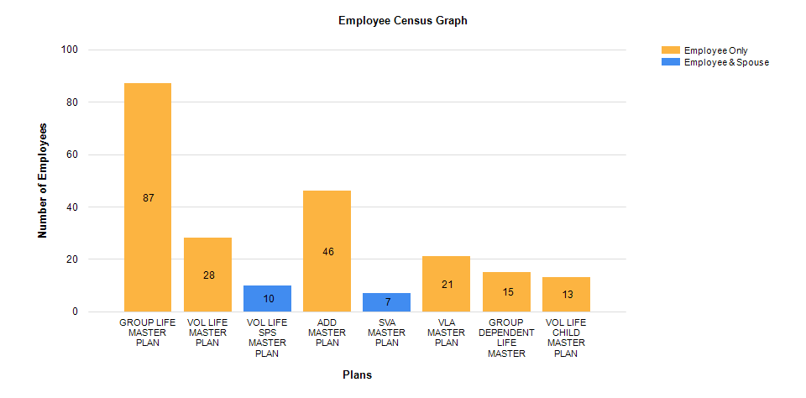

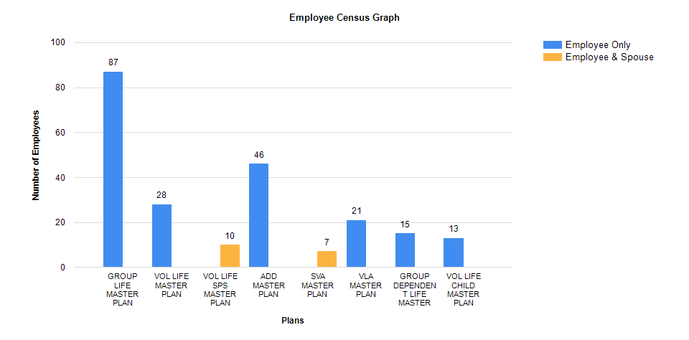

Wastewater Fund
...
 | Retiree |  | $25,000.00
 | Retiree |  | $12,500.00
...
 | Retiree |  | $25,000.00
 | Active | $29,640.00 | $25,000.00 | $25,000.00
...
 | Retiree |  | $25,000.00
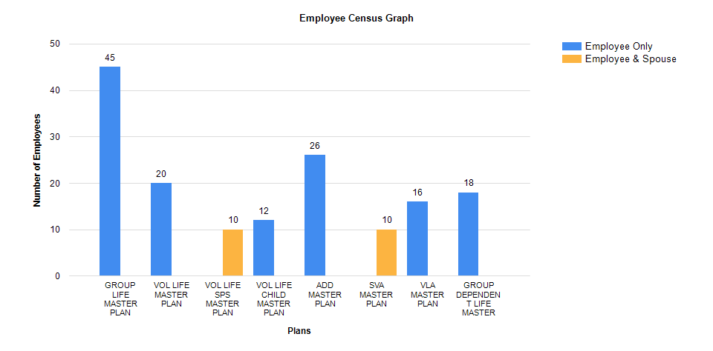

Assessor's Office
...
ADDENDUM #3
 | Retiree |  | $25,000.00
 | Active | Not Available | $100,000.00 | $100,000.00
...
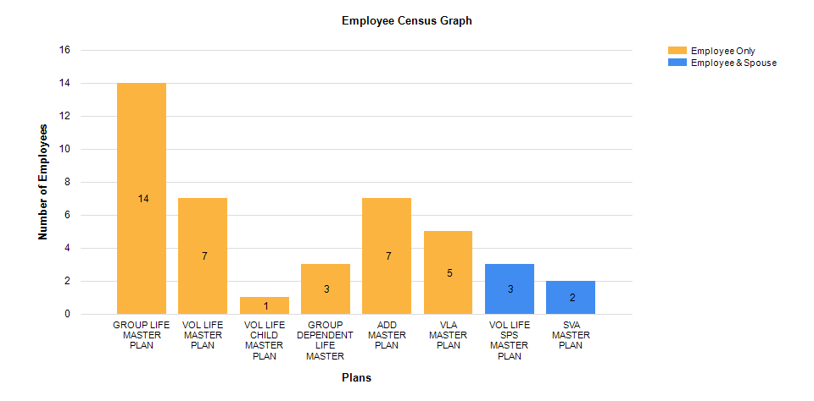

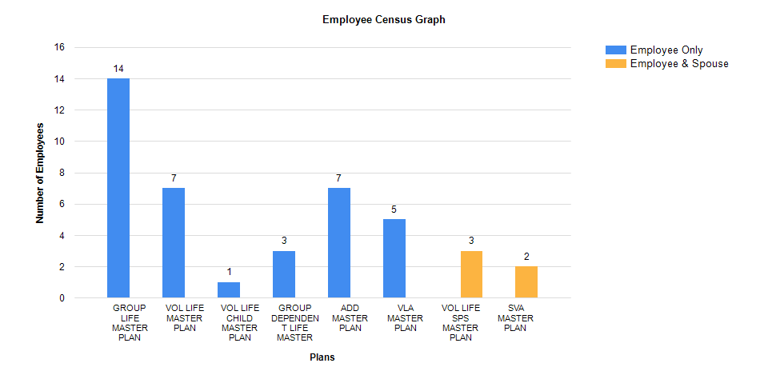

Library
...
ADDENDUM #3
 | Active | Not Available | $25,000.00 | $25,000.00
...
ADDENDUM #3
 | Active | Not Available | $25,000.00 | $25,000.00 | $100,000.00
...
